Sheet1
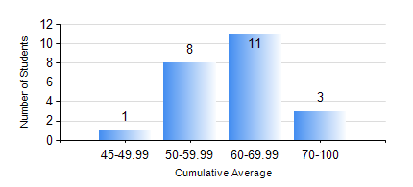
 |  |  | KWAME NKRUMAH UNIVERSITY OF SCIENCE AND TECHNOLOGY, KUMASI Department of Mechanical Engineering

 |  |  | BSC. MARINE ENG.

 |  |  | COMPREHENSIVE RECORD OF EXAMINATION RESULTS

 |  |  | RESULTS OF YEAR 4 SECOND SEMESTER, 2021/2022 ACADEMIC YEAR

 | Sn | Course Code |  | Course Name | Credit Hours | Min. Mark | Max. Mark | Avg. Mark | Std. Dev. | No. Passed | No. Trailed | No. (Df) | No. (I) | No. (I*) | No. Tagged(I,I*,Df) | Total
 | 1. | MME 462 |  | MARINE CONTROL ENGINEERING AND AUTOMATION | 3 | 52 | 74 | 61 | 6.21 | 23 | 0 | 0 | 0 | 0 | 0 | 23
 | 2. | MME 476 |  | SHIP CONSTRUCTION | 3 | 43 | 84 | 60 | 10.9 | 23 | 0 | 0 | 0 | 0 | 0 | 23
 | 3. | MME 482 |  | NAVAL ARCHITECTURE II | 2 | 44 | 88 | 71 | 11.98 | 23 | 0 | 0 | 0 | 0 | 0 | 23
 | 4. | MME 486 |  | SHIP SAFETY, ENVIRONMENTAL PROTECTION AND SAFE WATCH KEEPING | 2 | 69 | 96 | 81 | 7.44 | 23 | 0 | 0 | 0 | 0 | 0 | 23
 | 5. | MME 492 |  | SHIP OPERATION, REGULATION AND MANAGEMENT | 2 | 56 | 90 | 79 | 8.34 | 23 | 0 | 0 | 0 | 0 | 0 | 23
 | 6. | MME 494 |  | MARINE MAINTENANCE ENGINEERING | 2 | 43 | 72 | 59 | 8.09 | 23 | 0 | 0 | 0 | 0 | 0 | 23
 | 7. | MME 498 |  | FINAL YEAR PROJECT II | 5 | 70 | 75 | 73 | 2.04 | 23 | 0 | 0 | 0 | 0 | 0 | 23

